Sheet1
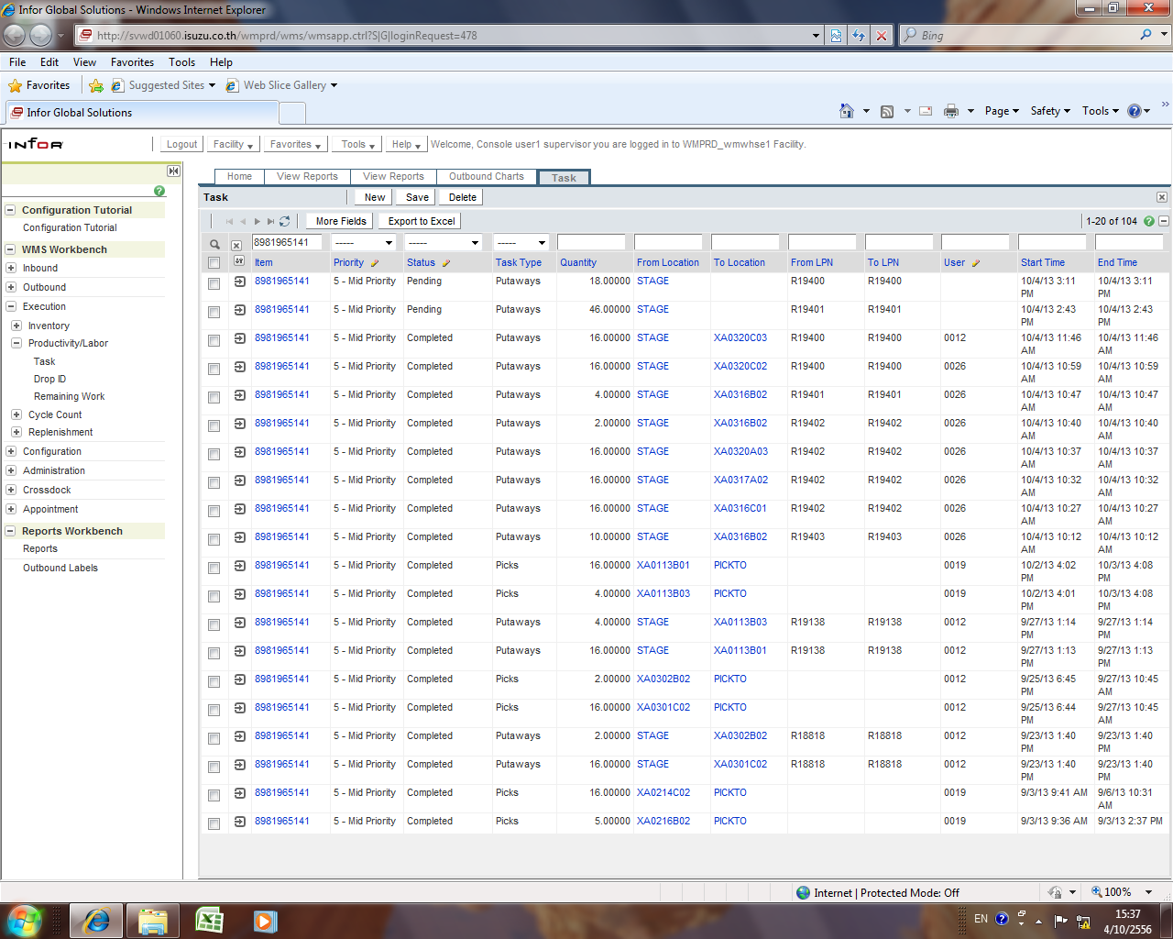

Receiving part in system WMS =LPN R19401 18pcs.,LPN R19400=46 pcs.

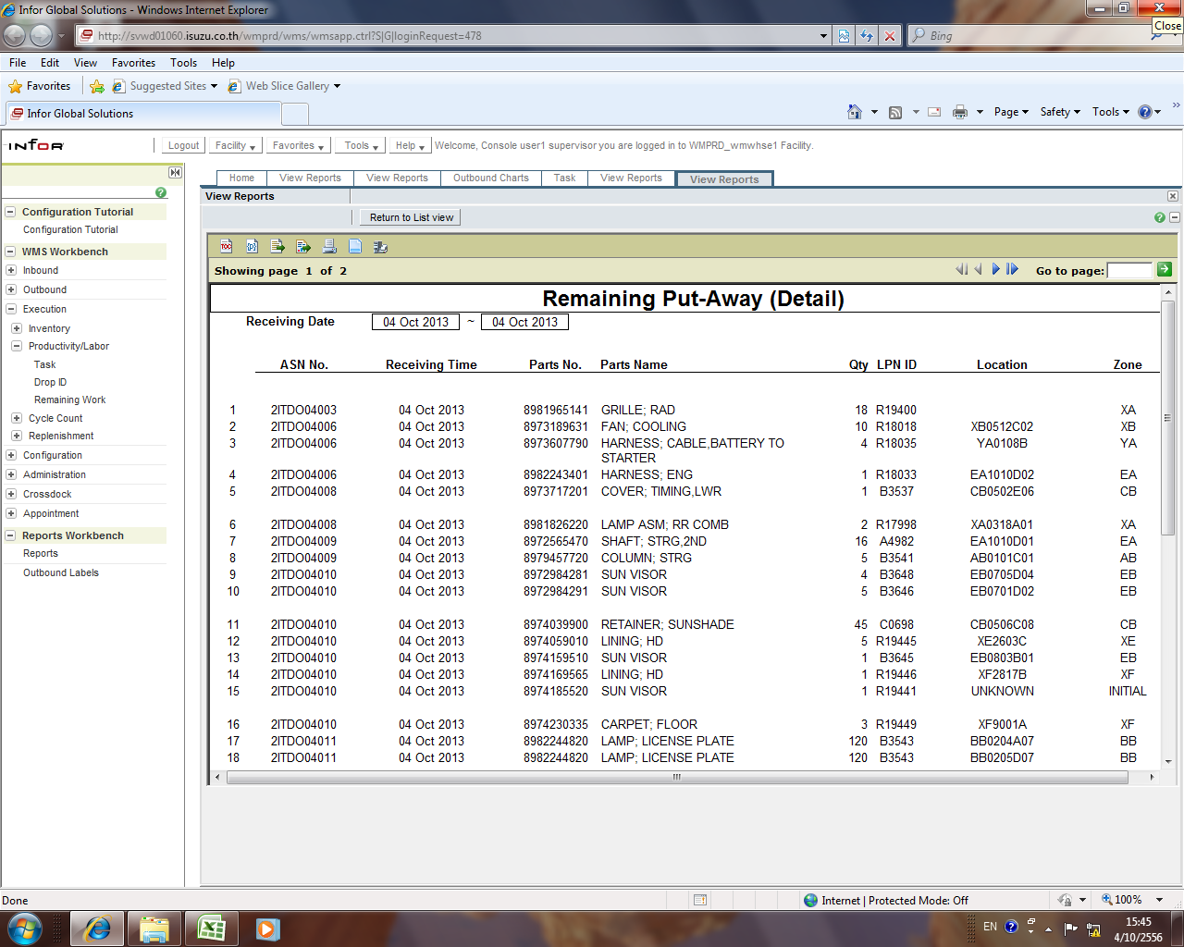

Data Remain Put away found only 18 pcs so it means 46 pcs in system.

